1. Title Page
[Instacart analysis]

Project Name: Instacart analysis
Date: 5/24/23
Analyst Name: Andrew Armstrong

Contents:
Population Flow
Consistency checks
Wrangling steps
Column derivations
Visualizations
Recommendations

Data source: The Instacart Online Grocery Shopping Dataset 2017", Accessed from http://www.instacart.com/datasets/grocery-shopping-2017 on [date]

2. Population Flow
Title page

Population flow

Exclusion flag
Condition: max_order < 5
Obervations to be removed: 1440295
Final total count of order_products_all: 30964564

Orders_products_combined
Orders_products_merged
Orders_products_all

Total: 32404859
Total: 32434489
Total: 32404859

1.) The grey boxes in the first row of the population flow represent the original data sets as they were when you downloaded them. In the Total fields you need to add the count of the rows when you imported the data set into Jupyter.
2.) The second row of boxes (coloured) represents the data sets after you manipulated them, e.g., removed missing values and duplicates. In the Total fields you need to add the count of the rows after conducting these operations. This offers a visual oveview of how the data flows throughout the data consistency checks.
3.) The third row, where also the arrows are coloured, represents the merges you performed between the datasets. In the Total fields you need to add the count of the rows in the merged datasets, so that you end up with the final dataset (in the red box). Keep in mind the final dataset should be without exclusions (based on the exclusion flag).

3. Consistency checks
 |  |  |  | Title page
Consistency checks

Dataset | Missing values | Missing values treatment | Duplicates
orders | 206,209 missing values | N/A were found to be first order
products | 16 missing from product name | Removed from DB | 5 duplicate values
orders_products_prior | N/A
customers | N/A

4. Wrangling steps
 |  |  |  | Title page
Wrangling steps

Columns dropped | Columns renamed | Columns' type changed | Comment/Reason
Orders[eval_set]
 | Orders[order DOW] |  | changed column name to "orders_day_of_week"

Customer[First Name] |  |  | PII
Customer[Surnam] |  |  | PII
 | Gender to gender |  | Uniformity
 | State to state |  | Uniformity
 | Age to age |  | Uniformity
 | n_dependants to dependants |  | needed to be more descriptive
 | Fam_status to marital status |  | needed to be more descriptive

5. Column derivations
 |  |  |  |  | Title page

Column derivations and aggregations

In this tab you should add tables below that the frequences of flags/label variables that you produced after deriving them. NB: don't do this for continuous variables, only for flags.
Dataset | New column | Column/s it was derived from | Conditions | Frequency
products | Price_range_loc | prices | price in [0,5]: "Low-range product" | 10,126,321
 |  |  | price in (5,15]: "Mid-range product" | 21,860,860
 |  |  | price > 15: "High-range product" | 417,678
orders | busiest_day | order_day_of_the_week | if day 0 (Sat.), "Busiest day" | 6,204,182
 |  |  | if day 4 (Wed.), "Least busy" | 3,783,802
 |  |  | otherwise, "Regularly busy" | 22,416,875
ords_prods_merged | busiest_period_of_day | order_hour_of_day | 9am-4pm: "Most orders" | 21,118,071
 |  |  | 11pm-6am: "Fewest orders" | 1,289,137
 |  |  | otherwise: "Average orders" | 9,997,651
ords_prods_merged | loyalty_flag | max_orders | max_order > 40: "Loyal customer" | 10,284,093
 |  |  | 10 < max_order <= 40: "Regular customer" | 15,876,776
 |  |  | max_order <= 10: "New customer" | 6,243,990
ords_prods_merged | spending | mean_spending | avg_price < 10: "Low spender" | 31,770,614
 |  |  | avg_price >= 10: "High spender" | 634,245
ords_prods_merged | frequency | user_id and median_days_since_prior_order | median > 20: "Non-frequent customer" | 3,636,437
 |  |  | 10 < median <= 20: "Regular customer" | 7,208,564
 |  |  | median <= 10: "Frequent customer" | 21,559,853
complete_data | region | state | States were assigned to a region based off of geographic location. These fell in the categories of:
 |  |  | "midwest" | 7,597,325
 |  |  | "northeast" | 5,722,736
 |  |  | "south" | 10,791,885
 |  |  | "west" | 8,292,913
complete_data | activity | max_orders | If max_orders < 5 return "Low activity" | 1440295
 |  |  | If max_orders >=5 return "High activity" | 30,964,564
Active_users | age_group | age | If age < 30 return "Young adult" | 5,817,603
 |  |  | If age is >= 30 & < 65 return "Middle aged adult" | 16,951,417
 |  |  | If age >= 65 return "elderly" | 8,195,544
Active_users | income_class | income | If income is < 52000 return "Low income" | 3,632,792
 |  |  | If income is >= 52000 & < 156000 return "Middle income" | 24,490,126
 |  |  | If income is >= 156000 return "High income" | 2,841,646
Active_users | diet_type | user_id and department_id | If department id does not contain 11 or 15 return "Vegan" | 309,996
 |  |  | If it returns only 11 return "Vegitarian" | 7,589,236
 |  |  | Else return "No restrictions" | 23,065,332
Active_users | household_status | dependants | If dependants = 0 return "single" | 7,739,681
 |  |  | Else return "Family" | 23,224,883

6. Visualizations
 |  |  |  |  |  |  | Title page

Visualisations

In this tab you should include all the visualtions from Exercises 4.9 and 4.10, alongside the questions from the project brief that they answer. Include any commentary on the relationship between different variables.

 | What are the busiest days of the week and hours of the day?
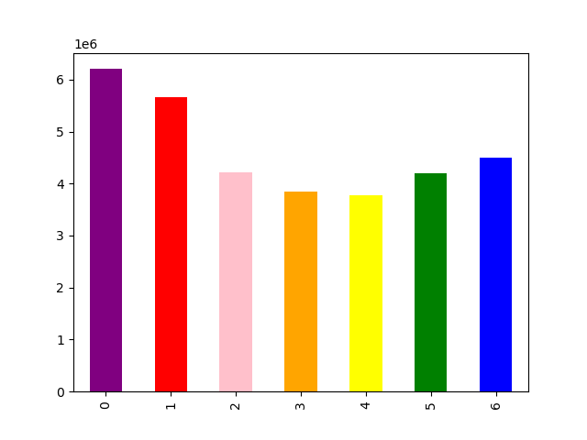


 |  | Looking at the days of the week bar chart to the left, we can see that the most popular days look to be Sunday and Saturday. The frequency of orders looks to fall off as we get towards the middl of the week and then rise again approaching the weekend. This would suggest that weekend is prime time for orders, ads, and sales. |  |  |  | Now that we know what days of the week are the most active we can break it down even further to which hours are our top performers. Looking at the next bar chart we can see that around 7am is when we see a rise in orders and that rise peaks at around 11am. These orders stay relatively consistent before falling off around the 5pm mark.
1

 | What are the most popular types of products ordered? |  |  | What is the distribution of customers in terms of brand loyalty?
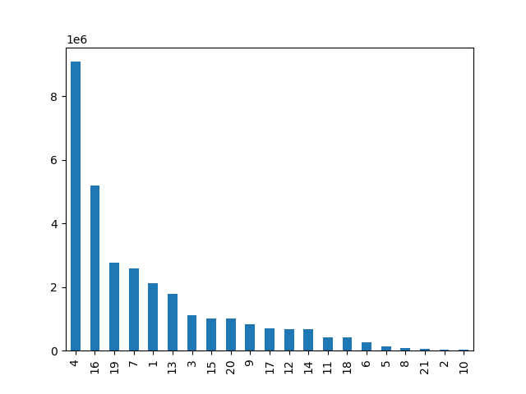


 |  | Looking at the data presented on the left we can see our top 5 Most frequently ordered departments are:
 |  | Produce |  |  |  | Our regular customers are the bulk of our customer base followed by loyal customers, and lastly new customers.
 |  | Dairy & Eggs
 |  | Snacks
 |  | Beverages
 |  | Frozen

 | Are there differences in ordering habits based on a customer’s loyalty status?

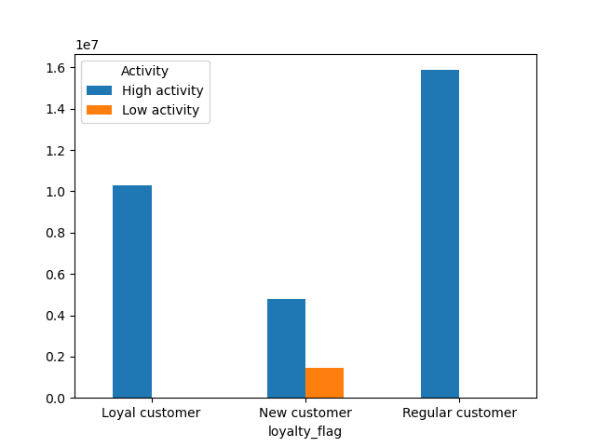 |  | 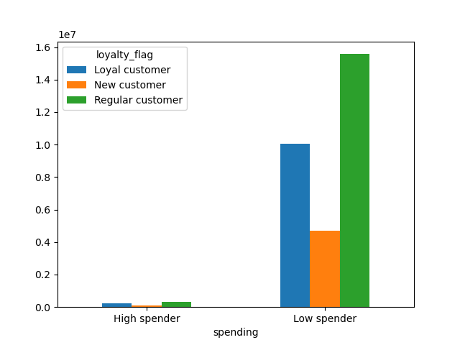 |  |  | Based off of the data presented on the left we can see that the bulk of our orders come from our regular customers and the least amount come from our new customers. We can also see that as far as spending the order reamains the same with our regular customers bringing in most of the money, followed by the loyal customers and on the tail end, our new customers bring in the least amount of revenue.

 | Are there differences in ordering habits based on a customer’s region?

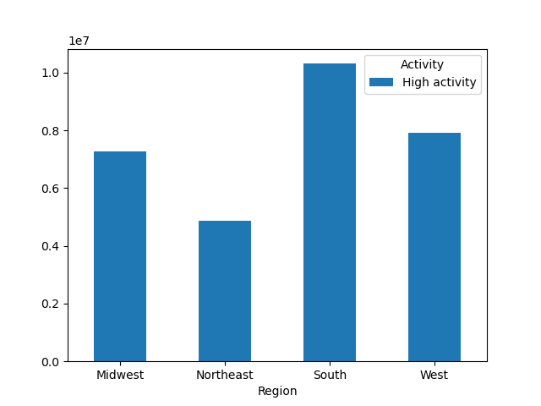 |  | 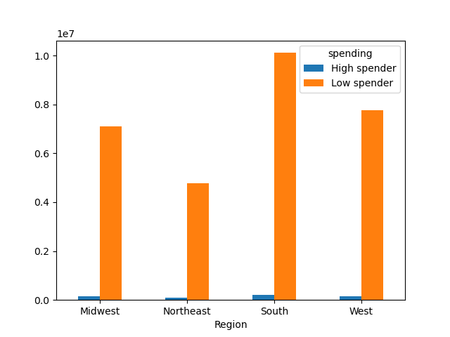 |  |  | Looking at both the information regarding the activity and the expenditure of each region there is a reoccuring pattern. We see the south being our predominant bulk of orders and sales followed by the west, midwest, and northeast respectively. This can give us valuble insight into where to capitalize and where to expand

 | Is there a connection between age and family status?



 |  | We can not see any real correlation between age and family status, so this is something we wouldn’t dig too much further into.

 | What do the different classifications in the demographic information suggest?

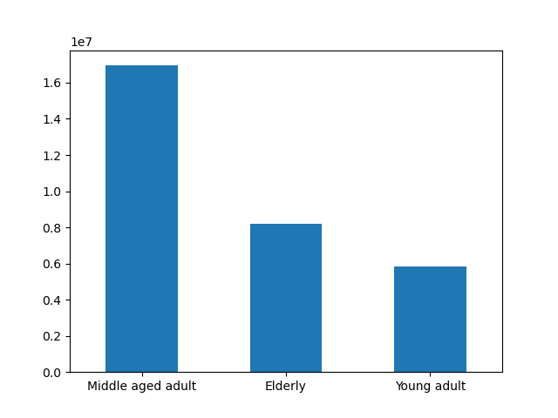 |  | Middle aged adults seem to be the biggest age group in our market, this is information that could prove valuble in our marketing department to drive sales moving forward. The elderly population is next up, but should not be looked over. | 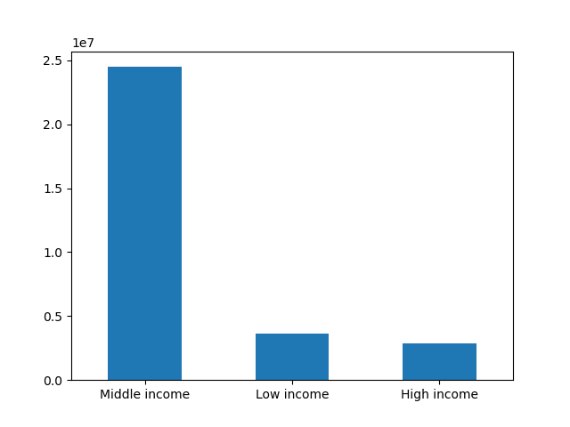 |  |  | The income ranges are not even close when it comes to our users. Most users fall under the middle income category which points us away from the direction of marketing luxury or focusing too much on higher end products.

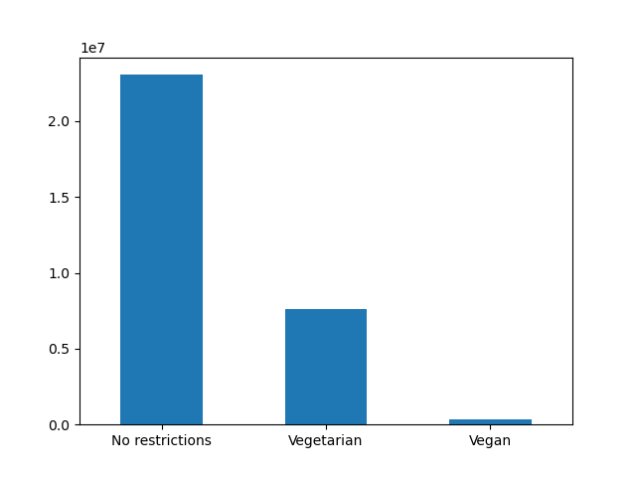 |  | There does not seem to be too many users with dietary restrictions. This could help us with our overall marketing and plan for what types of products to promote moving forward. Though those with dietary restrictions are not leading the pack on this one, there is still a market and that can not be overlooked. | 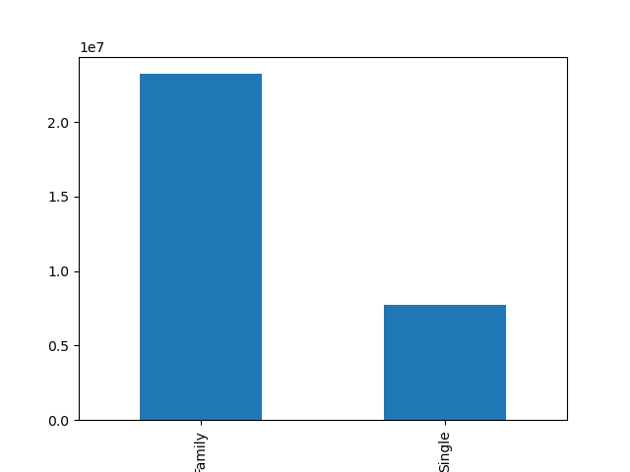 |  |  | We can see that families account for over 75% of our user base. This is not only marketable, but good for perhaps upcoming campaigns using this info to make instacart more accesible or give discounts based on family size.

7. Recommendations
 |  |  |  | Title page

Recommendations

In this tab you should include any recommendations you would made to Instcart in terms of their marketing strategy based on the questions posed in the brief. Every key question has been covered in the Tasks of the Exercises - here you need to add an item - a visualisation or table/crosstable that is showing the answer in the data, acompanied by a comment from you. Please, list the questions below and add the answer underneath.

 | Question | Answer
1 | The sales team needs to know what the busiest days of the week and hours of the day are (i.e., the days and times with the most orders) in order to schedule ads at times when there are fewer orders

 |  |  |  |  | We can see that the most popular days are around the weekend with Sunday leading with the most orders followed by Monday, then Saturday. From here we dive deeper to see which hours in the day have the most traffice. The barchart on the right shows that the orders peak around 11am. The overall range of the peak times would be 11am to 5pm. This is where I would focus most of our effort in marketing and ad placements.

2 | They also want to know whether there are particular times of the day when people spend the most money, as this might inform the type of products they advertise at these times.

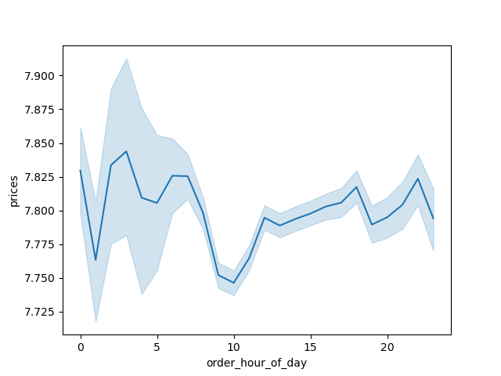 |  |  | Looking at the line chart we can see the peak time starts around 3am and falls off somewhere around 7am. We then hit our lowest point at 10am at which point we see an increase again. I would recommend using this prime time for all marketing and advertising purposes.

3 | Instacart has a lot of products with different price tags. Marketing and sales want to use simpler price range groupings to help direct their efforts.

 | We have grouped the prices into low, mid, and high price ranges.

4 | Are there certain types of products that are more popular than others? The marketing and sales teams want to know which departments have the highest frequency of product orders.

 |  |  | Looking at the data presented on the left we can see our top 5 Most frequently ordered departments are: Produce, Dairy & Eggs, Snacks, Beverages, and Frozen. These are our money makers, I would focus on expanding these markets so as to grow revenue.

5 | What’s the distribution among users in regards to their brand loyalty (i.e., how often do they return to Instacart)?

 |  |  | Our regular customers are the bulk of our customer base followed by loyal customers, and lastly new customers. The next focus would be on expanding our loyal customers and overall customer retention.

6 | Are there differences in ordering habits based on a customer’s loyalty status?

 |  |  |  |  | Based off of the data presented on the left we can see that the bulk of our orders come from our regular customers and the least amount come from our new customers. We can also see that as far as spending the order reamains the same with our regular customers bringing in most of the money, followed by the loyal customers and on the tail end, our new customers bring in the least amount of revenue.

7 | Are there differences in ordering habits based on a customer’s region?

 |  |  |  |  | Looking at both the information regarding the activity and the expenditure of each region there is a reoccuring pattern. We see the south being our predominant bulk of orders and sales followed by the west, midwest, and northeast respectively. This can give us valuble insight into where to capitalize and where to expand

8 | Is there a connection between age and family status in terms of ordering habits?

 |  |  | I don’t believe there is a correlation between age and family status in terms of ordering habits. There is no correlation between age and family status which makes it hard to see the affects the combo have on ordering habits. I have not drawn any positive correlations relating to these factors.

9 | What different classifications does the demographic information suggest? Age? Income? Certain types of goods? Family status?

 |  |  | Middle aged adults seem to be the biggest age group in our market, this is information that could prove valuble in our marketing department to drive sales moving forward. The elderly population is next up, but should not be looked over. |  | The income ranges are not even close when it comes to our users. Most users fall under the middle income category which points us away from the direction of marketing luxury or focusing too much on higher end products.

 |  |  | There does not seem to be too many users with dietary restrictions. This could help us with our overall marketing and plan for what types of products to promote moving forward. Though those with dietary restrictions are not leading the pack on this one, there is still a market and that can not be overlooked. |  | We can see that families account for over 75% of our user base. This is not only marketable, but good for perhaps upcoming campaigns using this info to make instacart more accesible or give discounts based on family size.

10 | What differences can you find in ordering habits of different customer profiles? Consider the price of orders, the frequency of orders, the products customers are ordering, and anything else you can think of.

